Sheet1
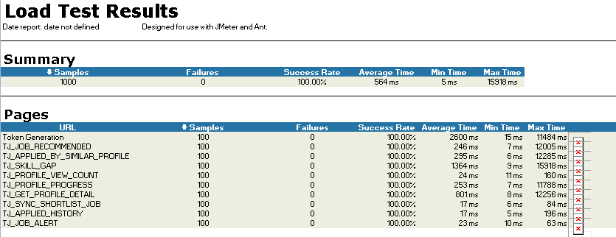
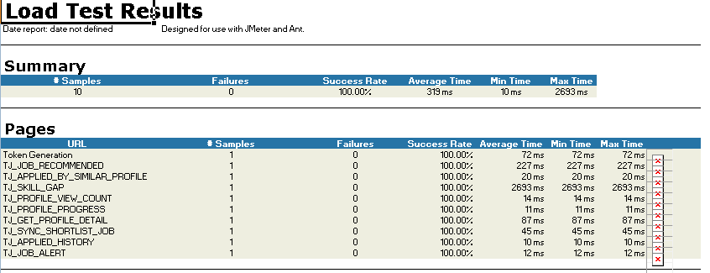
Network Speed | Ddownload Speed | Upload Speed
 | 3.94 mbps | 4.53mbps

Thread user | 1
Rampup | 1

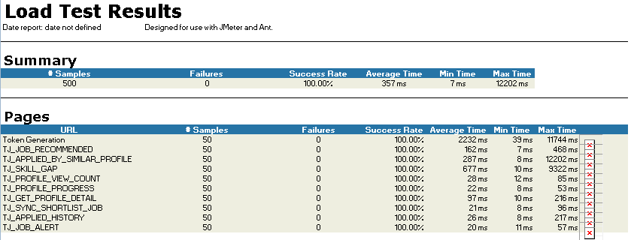

Thread user | 50
Rampup | 50

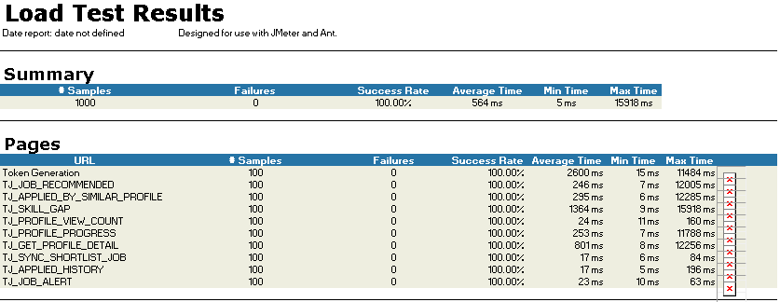

Thread user | 100
Rampup | 100

